Logins
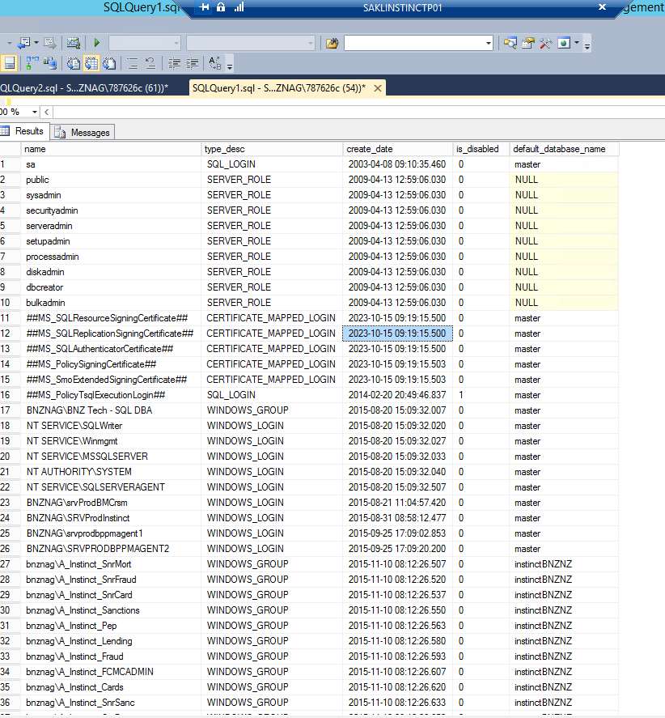
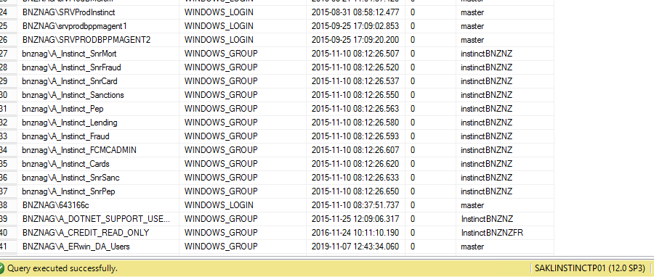
name | type_desc | create_date | is_disabled | default_database_name
sa | SQL_LOGIN | 2003-04-08 09:10:35 | 0 | master
public | SERVER_ROLE | 2009-04-13 12:59:06 | 0 | NULL
sysadmin | SERVER_ROLE | 2009-04-13 12:59:06 | 0 | NULL
securityadmin | SERVER_ROLE | 2009-04-13 12:59:06 | 0 | NULL
serveradmin | SERVER_ROLE | 2009-04-13 12:59:06 | 0 | NULL
setupadmin | SERVER_ROLE | 2009-04-13 12:59:06 | 0 | NULL
processadmin | SERVER_ROLE | 2009-04-13 12:59:06 | 0 | NULL
diskadmin | SERVER_ROLE | 2009-04-13 12:59:06 | 0 | NULL
dbcreator | SERVER_ROLE | 2009-04-13 12:59:06 | 0 | NULL
bulkadmin | SERVER_ROLE | 2009-04-13 12:59:06 | 0 | NULL
##MS_SQLResourceSigningCertificate## | CERTIFICATE_MAPPED_LOGIN | 2023-10-15 09:19:15 | 0 | master
##MS_SQLReplicationSigningCertificate## | CERTIFICATE_MAPPED_LOGIN | 2023-10-15 09:19:15 | 0 | master
##MS_SQLAuthenticatorCertificate## | CERTIFICATE_MAPPED_LOGIN | 2023-10-15 09:19:15 | 0 | master
##MS_PolicySigningCertificate## | CERTIFICATE_MAPPED_LOGIN | 2023-10-15 09:19:15 | 0 | master
##MS_SmoExtendedSigningCertificate## | CERTIFICATE_MAPPED_LOGIN | 2023-10-15 09:19:15 | 0 | master
##MS_PolicyTsqlExecutionLogin## | SQL_LOGIN | 2014-02-20 20:49:46 | 1 | master
BNZNAG\BNZ Tech - SQL DBA | WINDOWS_GROUP | 2015-08-20 15:09:32 | 0 | master
NT SERVICE\SQLWriter | WINDOWS_LOGIN | 2015-08-20 15:09:32 | 0 | master
NT SERVICE\Winmgmt | WINDOWS_LOGIN | 2015-08-20 15:09:32 | 0 | master
NT SERVICE\MSSQLSERVER | WINDOWS_LOGIN | 2015-08-20 15:09:32 | 0 | master
NT AUTHORITY\SYSTEM | WINDOWS_LOGIN | 2015-08-20 15:09:32 | 0 | master
NT SERVICE\SQLSERVERAGENT | WINDOWS_LOGIN | 2015-08-20 15:09:32 | 0 | master
BNZNAG\srvProdBMCrsm | WINDOWS_LOGIN | 2015-08-21 11:04:57 | 0 | master
BNZNAG\SRVProdInstinct | WINDOWS_LOGIN | 2015-08-31 08:58:12 | 0 | master
BNZNAG\srvprodbppmagent1 | WINDOWS_LOGIN | 2015-09-25 17:09:02 | 0 | master
BNZNAG\SRVPRODBPPMAGENT2 | WINDOWS_LOGIN | 2015-09-25 17:09:20 | 0 | master
bnznag\A_Instinct_SnrMort | WINDOWS_GROUP | 2015-11-10 08:12:26 | 0 | instinctBNZNZ
bnznag\A_Instinct_SnrFraud | WINDOWS_GROUP | 2015-11-10 08:12:26 | 0 | instinctBNZNZ
bnznag\A_Instinct_SnrCard | WINDOWS_GROUP | 2015-11-10 08:12:26 | 0 | instinctBNZNZ
bnznag\A_Instinct_Sanctions | WINDOWS_GROUP | 2015-11-10 08:12:26 | 0 | instinctBNZNZ
bnznag\A_Instinct_Pep | WINDOWS_GROUP | 2015-11-10 08:12:26 | 0 | instinctBNZNZ
bnznag\A_Instinct_Lending | WINDOWS_GROUP | 2015-11-10 08:12:26 | 0 | instinctBNZNZ
bnznag\A_Instinct_Fraud | WINDOWS_GROUP | 2015-11-10 08:12:26 | 0 | instinctBNZNZ
bnznag\A_Instinct_FCMCADMIN | WINDOWS_GROUP | 2015-11-10 08:12:26 | 0 | instinctBNZNZ
bnznag\A_Instinct_Cards | WINDOWS_GROUP | 2015-11-10 08:12:26 | 0 | instinctBNZNZ
bnznag\A_Instinct_SnrSanc | WINDOWS_GROUP | 2015-11-10 08:12:26 | 0 | instinctBNZNZ
bnznag\A_Instinct_SnrPep | WINDOWS_GROUP | 2015-11-10 08:12:26 | 0 | instinctBNZNZ
BNZNAG\643166c | WINDOWS_LOGIN | 2015-11-10 08:37:51 | 0 | master
BNZNAG\A_DOTNET_SUPPORT_USERS | WINDOWS_GROUP | 2015-11-25 12:09:06 | 0 | InstinctBNZNZ
BNZNAG\A_CREDIT_READ_ONLY | WINDOWS_GROUP | 2016-11-24 10:11:10 | 0 | InstinctBNZNZFR
BNZNAG\A_ERwin_DA_Users | WINDOWS_GROUP | 2019-11-07 12:43:34 | 0 | master
##MS_PolicyEventProcessingLogin## | SQL_LOGIN | 2023-10-15 09:19:24 | 1 | master
##MS_AgentSigningCertificate## | CERTIFICATE_MAPPED_LOGIN | 2023-10-15 09:19:27 | 0 | master
BNZNAG\SRVSqlInstinctProd | WINDOWS_LOGIN | 2024-07-05 09:28:06 | 0 | master
SQLArcExtensionServerRole | SERVER_ROLE | 2024-07-05 15:28:50 | 0 | NULL
BNZNAG\srvprodsnowdissql | WINDOWS_LOGIN | 2024-11-04 10:11:52 | 0 | master
BNZNAG\svcDynatraceOnePrd | WINDOWS_LOGIN | 2025-04-16 16:44:45 | 0 | master
NT Service\Microsoft Defender For SQL | WINDOWS_LOGIN | 2025-05-21 19:31:21 | 0 | master

Jobs
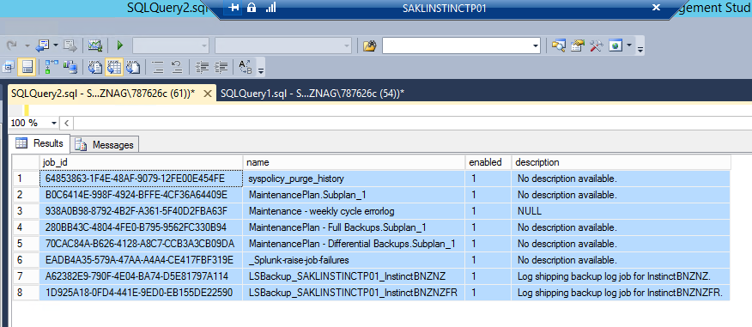
job_id | name | enabled | description
64853863-1F4E-48AF-9079-12FE00E454FE | syspolicy_purge_history | 1 | No description available.
B0C6414E-998F-4924-BFFE-4CF36A64409E | MaintenancePlan.Subplan_1 | 1 | No description available.
938A0B98-8792-4B2F-A361-5F40D2FBA63F | Maintenance - weekly cycle errorlog | 1 | NULL
280BB43C-4804-4FE0-B795-9562FC330B94 | MaintenancePlan - Full Backups.Subplan_1 | 1 | No description available.
70CAC84A-B626-4128-A8C7-CCB3A3CB09DA | MaintenancePlan - Differential Backups.Subplan_1 | 1 | No description available.
EADB4A35-579A-47AA-A4A4-CE417FBF319E | _Splunk-raise-job-failures | 1 | No description available.
A62382E9-790F-4E04-BA74-D5E81797A114 | LSBackup_SAKLINSTINCTP01_InstinctBNZNZ | 1 | Log shipping backup log job for InstinctBNZNZ.
1D925A18-0FD4-441E-9ED0-EB155DE22590 | LSBackup_SAKLINSTINCTP01_InstinctBNZNZFR | 1 | Log shipping backup log job for InstinctBNZNZFR.

Linked Servers
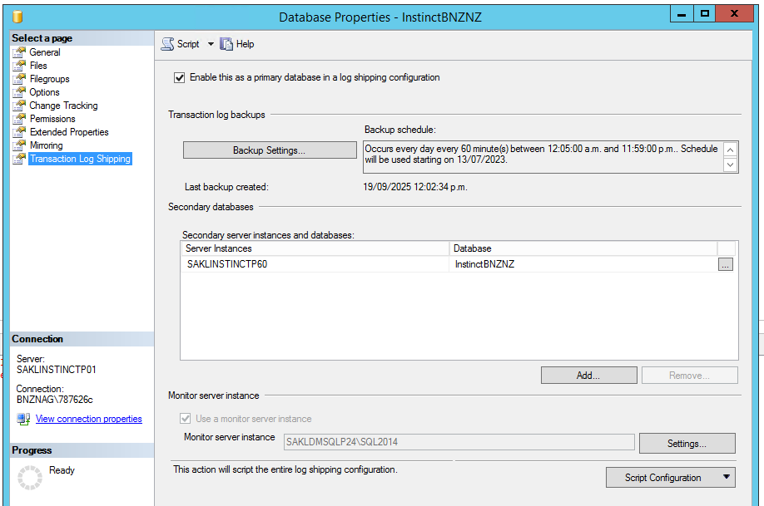
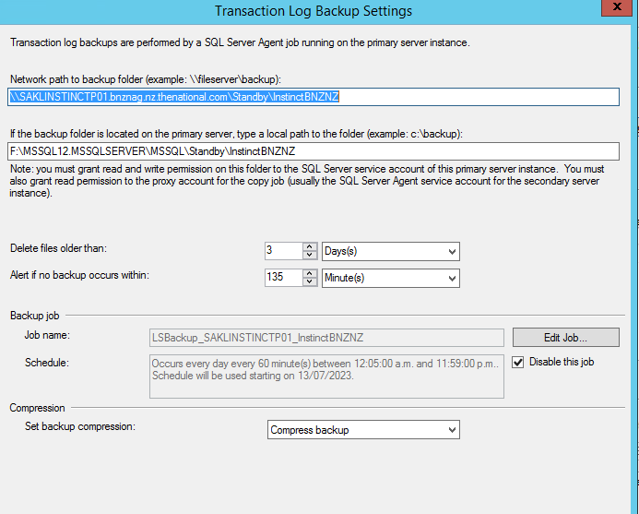
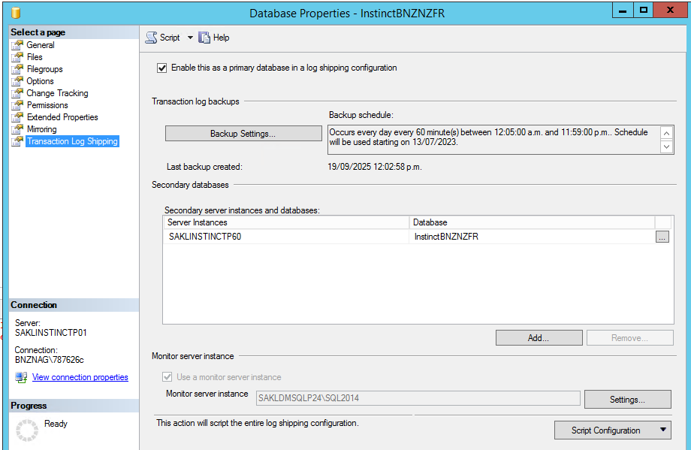
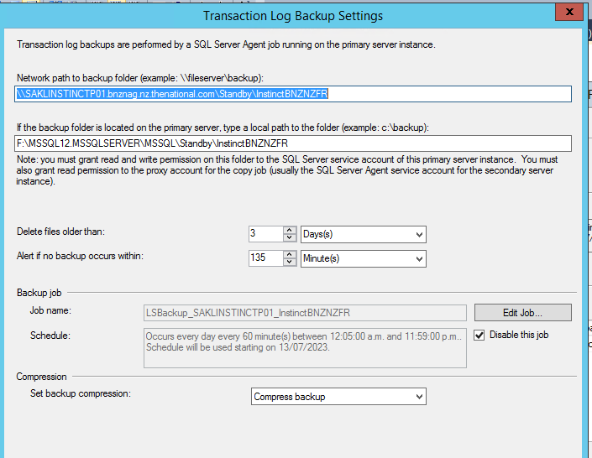
SRV_NAME | SRV_PROVIDERNAME | SRV_PRODUCT | SRV_DATASOURCE | SRV_PROVIDERSTRING | SRV_LOCATION | SRV_CAT
LOGSHIPLINK_SAKLDMSQLP24\SQL2014_-1009618916 | SQLNCLI | SQL Server | SAKLDMSQLP24\SQL2014 | NULL | NULL | NULL
SAKLINSTINCTP01 | SQLNCLI | SQL Server | SAKLINSTINCTP01 | NULL | NULL | NULL

server_id | name | product | provider | data_source | location | provider_string | catalog | connect_timeout | query_timeout | is_linked | is_remote_login_enabled | is_rpc_out_enabled | is_data_access_enabled | is_collation_compatible | uses_remote_collation | collation_name | lazy_schema_validation | is_system | is_publisher | is_subscriber | is_distributor | is_nonsql_subscriber | is_remote_proc_transaction_promotion_enabled | modify_date
1 | LOGSHIPLINK_SAKLDMSQLP24\SQL2014_-1009618916 | SQL Server | SQLNCLI | SAKLDMSQLP24\SQL2014 | NULL | NULL | NULL | 0 | 0 | 1 | 1 | 1 | 1 | 0 | 1 | NULL | 0 | 1 | 0 | 0 | 0 | 0 | 1 | 2024-07-30 18:19:48

Sheet8
